Summary Analysis
Summary Analysis |  |  |  | Malaria Correlation Summary – Insights

State | Malaria vs Temperature | Malaria vs Rainfall | Malaria vs Humidity | State | Temp Corr | Rainfall Corr | Humidity Corr | Key Insight | Key Notes:
Kogi | -0.4742479132 | -0.264892637 | 0.08256365506 | Kogi | -0.474 | -0.265 | 0.083 | Moderate negative correlation with temperature; humidity minimal influence. | 🟥 Red → Strong negative correlation
FCT | -0.02155541365 | -0.004018376354 | 0.460984201 | FCT | -0.022 | -0.004 | 0.461 | Malaria cases moderately influenced by humidity; temperature and rainfall weak. | ⬜ White → No/weak correlation (≈ 0)
Niger | 0.7747883506 | -0.2199039674 | 0.1683150789 | Niger | 0.775 | -0.22 | 0.168 | Very strong positive correlation with temperature; malaria increases in hotter periods. | 🟩 Green → Strong positive correlation
Kaduna | -0.06336087987 | -0.4002749477 | 0.5511706633 | Kaduna | -0.064 | -0.4 | 0.551 | Strong positive correlation with humidity; malaria risk rises during humid periods.
Nasarawa | 0.1104570947 | -0.05549221482 | 0.1040010591 | Nasarawa | 0.11 | -0.055 | 0.104 | Weak correlations overall; no strong weather predictor identified.

Malaria vs Weather Variables (Correlation Analysis)
Temperature vs Malaria
Humidity vs Malaria
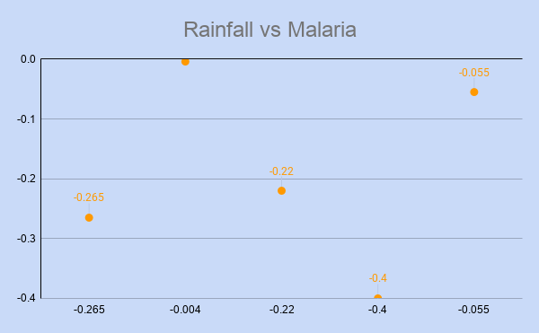

 | The analysis reveals that humidity is the most consistently influential weather variable affecting malaria incidence across several states, particularly in Kaduna and FCT where moderate positive correlations were observed. Temperature shows a strong and significant relationship with malaria cases in Niger State (0.775), indicating that higher temperatures are associated with increased malaria incidence in that region. In contrast, rainfall demonstrates weak and inconsistent correlations across most states, suggesting a limited direct impact on malaria incidence.
 |  |  |  |  |  | This chart shows a strong positive relationship between tempreture and malaria cases in Niger State. |  |  |  | Here, humidity shows a strong influence on malaria incidence in Kaduna | Rainfall demonstrates weak and inconsistent correlations across the selected states, suggesting that its impact on malaria transmission varies and may depend on other environmental factors.

